Kenya
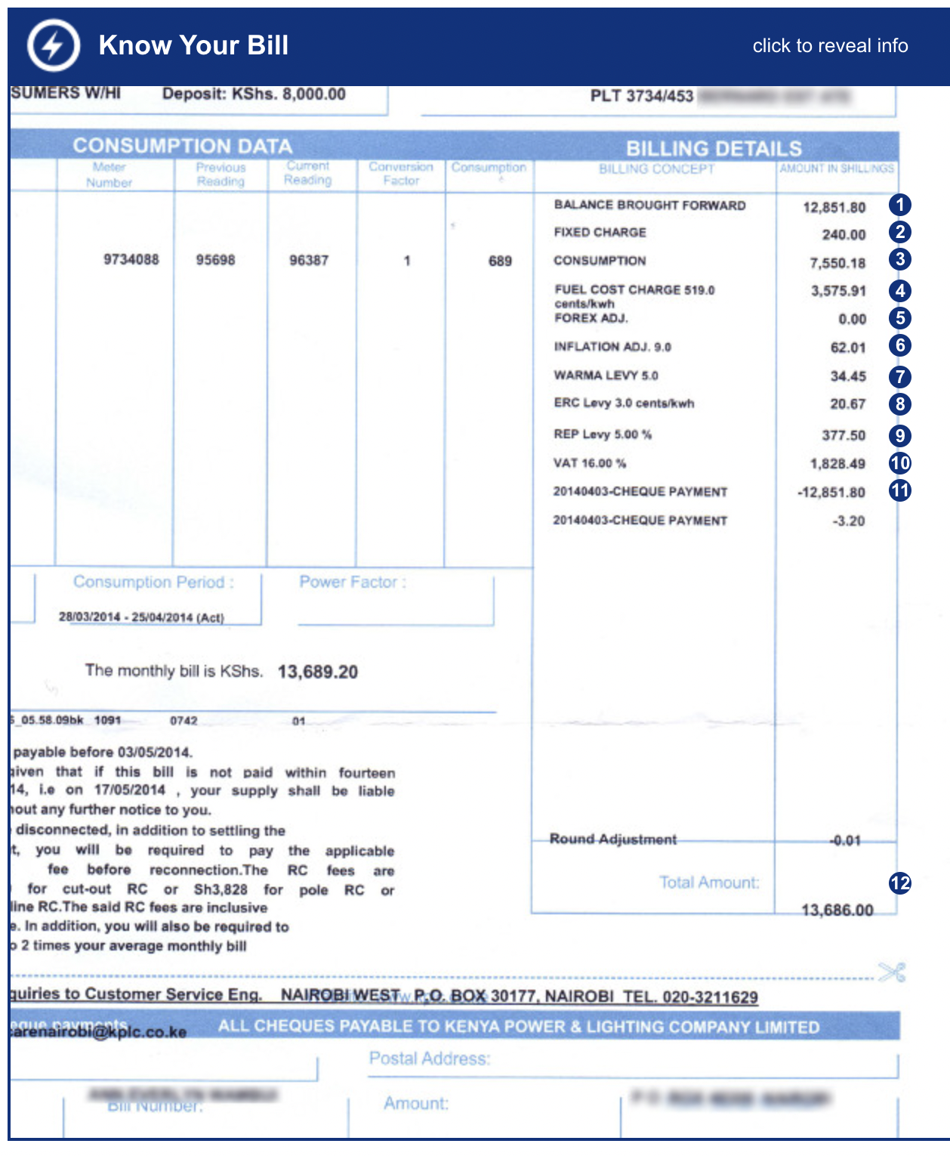
 | Tier 0 | Tier 1 | Tier 2 | Tier 3 | Tier 4 | Tier 5 | unit
Daily capacity | 0 | 0.012 | 0.2 | 1 | 3.4 | 8.2 | (kWh)
Monthly capacity (assume 30 days) | 0 | 0.36 | 6 | 30 | 102 | 246 | (kWh)

Tariff | Energy charge (KES/kWh) | Demand charge (KES/kVA)
DC-lifeline 0-30 kWh | 12.23 | N/A
DC-lifeline 31-100 kWh | 16.54 | N/A
DC2 - domestic >100 kWh | 19.08 | N/A

Fuel Cost Charge(KES/kWh) | 5.19 | Published monthly by KPLC in the Kenya Gazette (but not on their website!). It is reflective of the cost (to KPLC) of generating electricity during the previous month, here using the WB 2014 database.
Foreign Exchange Rate Fluctuation Adjustment (KES/kWh) | 1.149 | Published monthly by KPLC. This includes the sum of the foreign currency costs incurred by KenGen, sum of the foreign currency costs incurred by KPLC other than those costs relating to Electric Power Producer, and the sum of the foreign currency costs incurred by KenGen. No information is available, estimated
Inflation Adjustment (IA) (KES/kWh) | 0.09 | Published monthly by KPLC. Factors include the Underlying Consumer Price Index as posted by Kenya National Bureau of Statistics and the Consumer Prices Index for all urban consumers (CPI - U) for the US city average for all items 1982 - 84 as published by the United States Department of Labour Statistics. We are not certain why the cost of Kenyan electricity depends on how much folks in the USA are spending.
WARMA Levy (KES/kWh) | 0.05 | published monthly by KPLC. It is determined from the amount of energy supplied from hydroelectric facilities in the previous month.
ERC (KES/kWh) | 0.03
REP Levy | 5%
Power Factor Surcharge |  | A surcharge applied if the consumer's power factor falls below 0.9. The surcharge applied is 2% of the base rate and the demand charge for every 1 per cent by which the Power Factor is below 0.9.
VAT | 16% | 16% on demand charge, fuel energy cost and non-fuel energy cost.

 | Tier 0 | Tier 1 | Tier 2 | Tier 3 | Tier 4 | Tier 5
Energy Consumption | 0 | 4.4028 | 73.38 | 366.9 | 1562.86 | 4310.38
REP | 0 | 0.22014 | 3.669 | 18.345 | 78.143 | 215.519
FERFA | 0 | 0.41364 | 6.894 | 34.47 | 117.198 | 282.654
ERC | 0 | 0.0108 | 0.18 | 0.9 | 3.06 | 7.38
Fuel cost charge | 0 | 1.8684 | 31.14 | 155.7 | 529.38 | 1276.74
WARMA levy | 0 | 0.018 | 0.3 | 1.5 | 5.1 | 12.3
IA | 0 | 0.0324 | 0.54 | 2.7 | 9.18 | 22.14
VAT | 0 | 1.1145888 | 18.57648 | 92.8824 | 368.78736 | 980.33808

Electricity bill | Tier 0 | Tier 1 | Tier 2 | Tier 3 | Tier 4 | Tier 5
Domestic | 0 | 8.0807688 | 134.67948 | 673.3974 | 2673.70836 | 7107.45108

